Sheet1
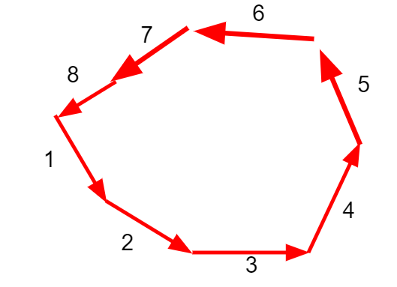
№ | Название | P, mmHg | U, см/с | S, см2 | Length | C, ml/mmHg | R,mmHg*s/ml | Inertia.mmHg.s2/ml | diameter,mm | wall thickness
1 | Large veins | 2 | 15 | 100 | 22 | 4 | 2*10^-3 | 5*10-4 | 30 | 1.5
2 | small veins | 6 | 5 | 250 | 5 | 4 | 2*10^-3 | 5*10-4 | 5 | 0.5
3 | postcapillary venule | 12 | 7 | - | 1 | 4 | 2*10^-3 | 5*10-4 | 0.02 | 0.002
4 | capillares | 7.4 | 0.03 | 0.08 | - | 0.93 | 0.001 | 2*10^-4 | 0.008 | 0.001
5 | arterioles | 25 | 35 | 0.181 | 5 | 0.6 | 0.001 | 2*10^-4 | 0.03 | 0.02
6 | muscluar arteries | 70 | 15 | 0.25 | 15.5 | 0.6 | 0.03 | 2*10^-4 | 4 | 0.02
7 | elastic arteries | 120 | 20 | 0.51 | 42.2 | 0.6 | 0.03 | 2*10^-4 | 5 | 1
8 | aorta | 110 | 50 | 3.1 | 3.9 | 0.1 | 0.04 | 5*10^-4 | 25 | 2

